Sheet1
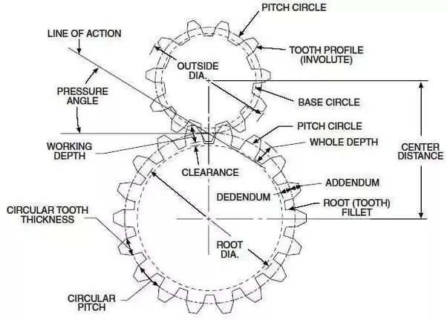
Backlash | Ring Gear - Planet Gear | Large Planet Gear - Sun Gear
Circumfrential Backlash (mm) | 0.025781694115 | 0.051296326795
Normal Backlash (mm) | 0.010521046892 | 0.020933110802
Angular Backlash (mm) | 0.029765697332 | 0.20993307356
Radial Backlash (mm) | 0.005762145585 | 0.011464603592
Axial Backlash (mm) | *doesn’t apply | *doesn’t apply

Sun Gear |  | Large Planet Gear |  | Ring Gear |  | Small Planet Gear
Pitch Diameter (mm) | 27 | Tooth Thickness (mm) | 1.52 | Pitch Diameter (mm) | 99.9 | Tooth Thickness (mm) | 1.413
Number of Teeth | 27 | Pressure Angle (deg) | 20 | Number of Teeth | 111 | Pressure Angle (deg) | 20
Circular Pitch (mm) | 3.1415926536 | Reference Cylinder Helix Angle (deg) | 0 | Circular Pitch (mm) | 2.8274333882 | Reference Cylinder Helix Angle (deg) | 0
Tooth Thickness (mm) | 1.519 |  |  | Tooth Thickness (mm) | 1.36287 |  |  | https://www.quora.com/What-is-the-diametral-pitch-of-a-gear-Why-is-it-used
Pressure Angle (deg) | 20 |  |  | Pressure Angle (deg) | 20
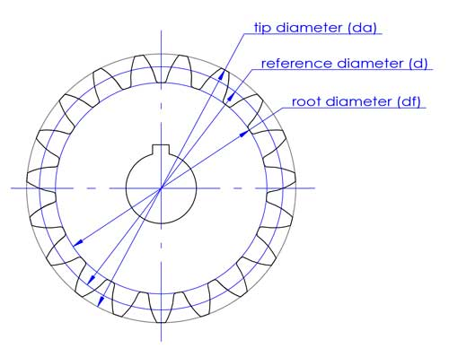
Reference Cylinder Helix Angle (deg) | 0 |  |  | Reference Cylinder Helix Angle (deg) | 0
Reference Diameter (mm) | 28 |  |  | Reference Diameter (mm) | 99.254
Addendum (mm) | 1 |  |  | Addendum (mm) | 0.644
Major Diameter (mm) | 29 |  |  | Minor Diameter (mm) | 98.61

 |  |  |  |  |  |  |  | https://boyanmfg.com/gear-terminology-teeth-calculation-formulas-easy-guide/

